Local
Sequence Analysis: Workouts
 | 1. Local (Smith-Waterman): |  |  |  |  |  |  |  | 1B. Local (Smith-Waterman)
 | Two sequences: |  |  |  |  |  |  |  | Two sequences:
 |  | Sequence 1: _ A G G |  | Matrix | _ | A | G | G |  | Sequence 1: A T G C T |  | Matrix | _ | A | T | G | C | T | Validation:
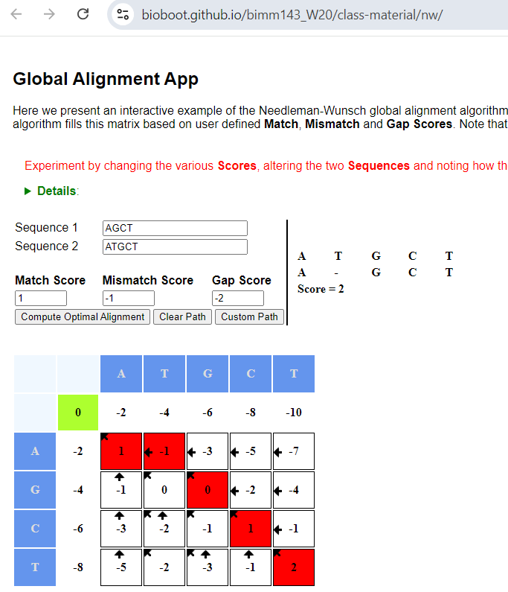
 |  | Sequence 2: _ A G |  | _ | 0 | -1 | -2 | -3 |  | Sequence 2: A G C T |  | _ | 0 | -2 | -4 | -6 | -8 | -10
 |  |  |  | A | -1 | 1 | 0 | -1 |  |  |  | A | -2 | 1 | -1 | -3 | -5 | -7
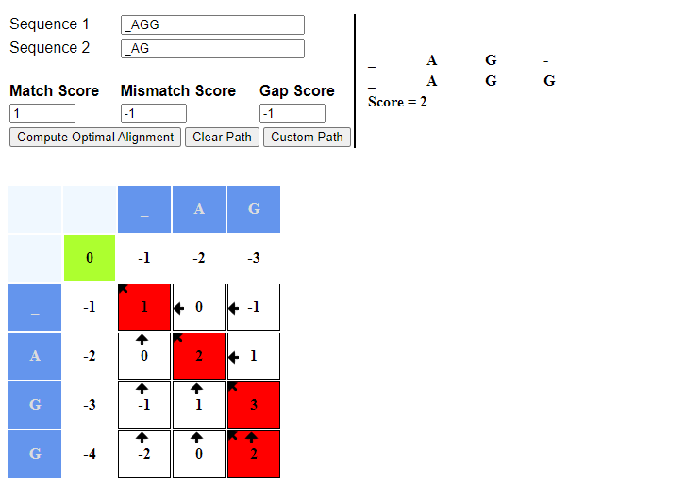
 |  | Let’s align them globally. Assume: |  | G | -1 | 0 | 2 | 1 |  | Let’s align them globally. Assume: |  | G | -4 | -1 | 0 | 0 | -2 | -4
 |  | Match = +1 | 1 |  |  |  |  |  |  | Match = +1 | 1 | C | -6 | -3 | -2 | -1 | 1 | -1
 |  | Mismatch = -1 | -1 |  |  |  |  |  |  | Mismatch = -1 | -1 | T | -8 | -5 | -2 | -3 | -1 | 2
 |  | Gap = -1 | -1 |  |  |  |  |  |  | Gap = -1 | -2

 |  | Steps to Build it: |  | Results: |  |  |  |  |  | Steps to Build it: |  | Results:
 |  | Step 1: Initialize the matrix |  | Best Allignment Path: A_G |  |  |  |  |  | Step 1: Initialize the matrix |  | Alignment Path: A_GCT
 |  | Step 2: Fill in the matrix using recurrence |  | Best Allignment Score: 1 |  |  |  |  |  | Step 2: Fill in the matrix using recurrence |  | Best Score: 2
 |  | Step 3: Traceback |  |  |  |  |  |  |  | Step 3: Traceback

 |  |  |  |  | The Smith–Waterman algorithm performs local sequence alignment; that is, for determining similar regions between two strings of nucleic acid sequences or protein sequences.
 |  |  |  |  | Instead of looking at the entire sequence, the Smith–Waterman algorithm compares segments of all possible lengths and optimizes the similarity measure.
 |  |  |  |  | Ref: https://en.wikipedia.org/wiki/Smith%E2%80%93Waterman_algorithm
 |  |  |  |  | https://bioboot.github.io/bimm143_W20/class-material/nw/
 |  |  |  |  | Excel Version: Vivek

